Case Study-1
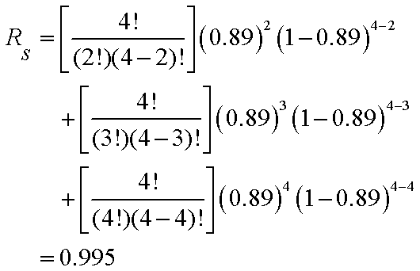
Required Sample Size for Bogey Testing

Reliability = | 0.99
Confidence Level = | 0.9
Sample size = | 229.1 | ***
 |  |  |  | ***

Value | Formula
0.729 | =0.9^3
0.44932896412 | =EXP(-0.008*100)
0.96821776573 | =1-(1-EXP(-25/40))*(1-EXP(-25/80))*(1-EXP(-25/85))
0.89011910444 | =EXP(-0.000388*300)
0.99511523 | =FACT(4)/(FACT(2)*FACT(4-2))*(0.89^2)*(1-0.89)^(4-2)+FACT(4)/(FACT(3)*FACT(4-3))*(0.89^3)*(1-0.89)^(4-3)+FACT(4)/(FACT(4)*FACT(4-4))*(0.89^4)*(1-0.89)^(4-4) |  |  |  |  | ***
229.10528828 | =LN(1-0.9)/LN(0.99) |  | ***
 |  |  |  |  | ***

 |  |  |  |  | ***

Case Study-2
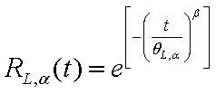
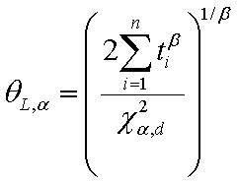
Lower Limit for Reliability with Bayesian Weibull testing
 |  |  |  |  |  | *** | ***
Shape Parameter = | 2.2
Confidence Level = | 90.0%
Degrees-of-Freedom = | 6
Chi - Square Critical Value = | 10.64
Lower Confidence Limit for Theta = | 797.3 | ***
Required Time = | 400 |  |  |  |  | ***
Lower Confidence Limit for Reliability = | 0.80311 | ***

 |  |  |  |  |  |  | ***
 |  |  |  | Total
 | Time on |  | Time Raised | Transformed Time
 | Test | Quantity | to Beta | on Test | Censoring
 | 324 | 1 | 333,579 | 333579.25 | Failed
 | 487 | 1 | 817,643 | 817642.98 | Failed
 | 528 | 1 | 976,775 | 976775.21 | Failed
 | 528 | 11 | 976,775 | 10744527.33 | Censored

Problem: Fourteen units are placed on a test stand; the first unit fails after 324 hours, the second unit fails after 487 hours of testing, a third unit failed after 528 hours of testing, and the remaining 11 units were removed from testing. Given a Weibull time to fail distribution with a shape parameter of 2.2, what is the lower 90% confidence limit for reliability at 400 hours?

